Workout
Accounting and Financial Analysis

Workout
 | Calculate operating working capital for both years.
 | Decide whether the change in OWC between the two years represents a cash in or out flow.
 | Calculate the in/out cash flow.

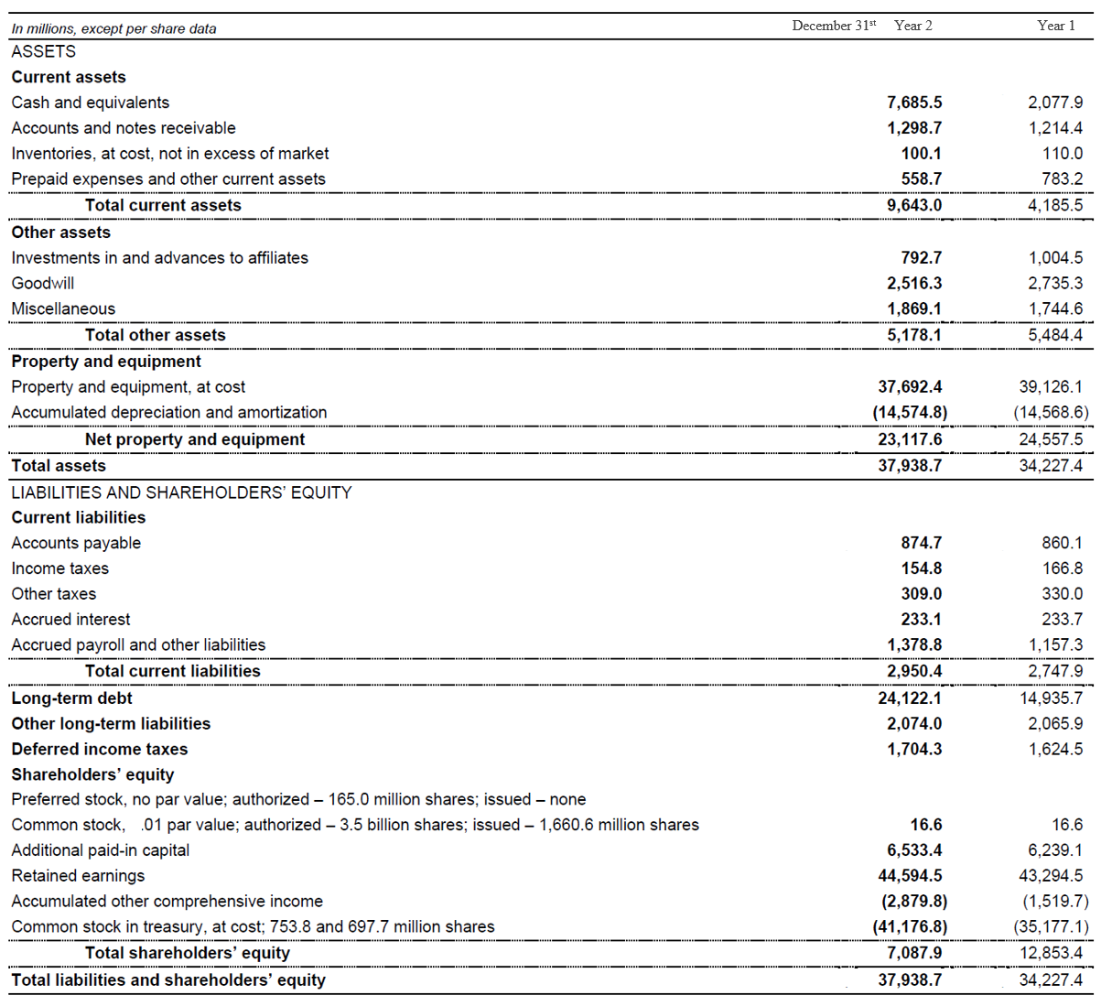

 |  | Year 2 | Year 1
 | Accounts and notes receivable | 1,298.7 | 1,214.4
 | Inventories, at cost, not in excess of market | 100.1 | 110.0
 | Prepaid expenses and other current assets | 558.7 | 783.2
 | Operating current assets | 1,957.5 | 2,107.6

 | Accounts payable | 874.7 | 860.1
 | Income taxes | 154.8 | 166.8
 | Other taxes | 309.0 | 330.0
 | Accrued payroll and other liabilities | 1,378.8 | 1,157.3
 | Operating current liabilities | 2,717.3 | 2,514.2

 | OWC | (759.8) | (406.6)

 | Cash inflow | 353.2

End

